CLP Assets
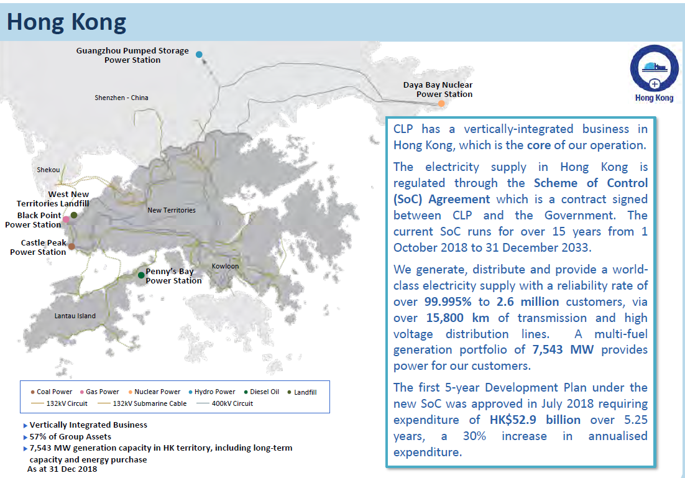
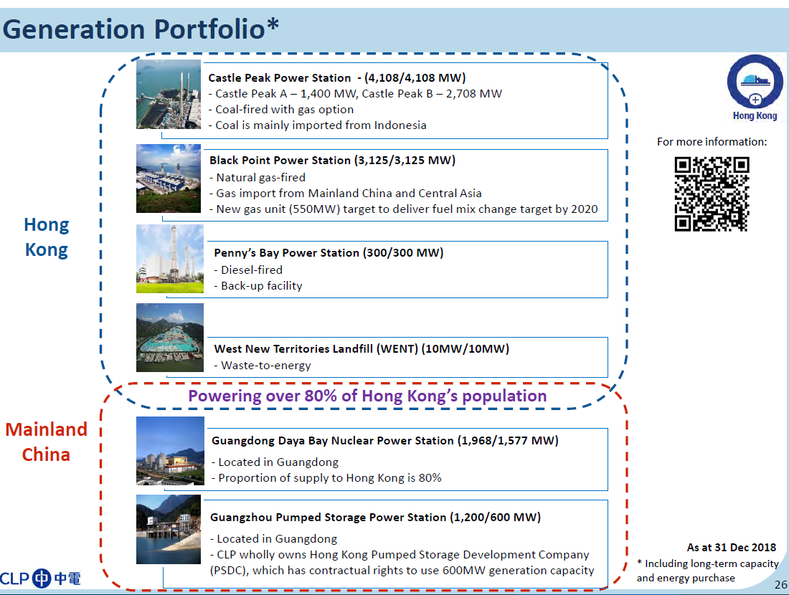
Performance Statistics of CLP’s Asset |  |  | https://www.clpgroup.com/en/sustainability/our-approach/reports-on-sustainability?year=2018
CLP in Hong Kong 亚太业务-香港
Summary of HK Power Genaration Stations
 | Power Stations | Capacity(MW) | Fuel | In-production Year 投产年份 | 备注 | Source: https://www.clp.com.hk/zh/about-clp/power-generation/infrastructure-and-fuel-mix
 | Castal Peak Power Station青山发电厂 | 4108 | Coal | 1980 | (=4*350MW+4*677MW). CLP owns 2875.6 MW. Accounts for more than 40% of CLP's generating capacity. A joint venture jointly owned by CLP power (70%) and China southern power international (Hong Kong) limited (30%).
 | Black Point Power Station 龙鼓滩发电厂 | 2,500 | Gas | 1996-2006, by stages | (=8*312.5MW). CLP owns 1750 MW. One of the largest gas-fired combined cycle power plants in the world. A joint venture between CLP power (70 per cent) and China southern power international (Hong Kong) limited (30 per cent), with CLP power operating the plant.
 | Penny's Bay Power Station 竹篙湾发电厂 | 300 | Gas (turbine) | 1992 | CLP owns 210 MW. Important backup power generation facilities, can quickly respond to emergencies and peak power demand.It can be put into operation quickly.Linking to the 132KV transmission network, power generation is supplied to the New Territories via submarine cables
 | NT West Biomass Project 新界西堆填区沼气发电项目 | 10 | Biomass | 2019 | (=5*2MW). In construction. The largest landfill gas power generation project in Hong Kong. |  |  |  |  |  |  | （中电资料册）
 | Daya Bay Nuclear Power Station in Guangdong 广东大亚湾核电站 | 1968 | Nuclear | 1994 | (=2*984MW). 70% of the generated electricity is sold to CLP to transmit to HK. Supply 25% of HK's elec demand. The contract is renewed until 2034 in 2009. From the end of 2014 to 2018, the propotion of electricity export from the port in total power generation increased to 80%.
 | Purchased by CLP (70%) | 1380
 | Guangzhou Pumped Storage Power Station 广州蓄能水电厂 | 2400 | Hydro | 1994 and 2000 (finished by 2 stages, 1200MW respectively) | To support the grid system to cope with peak generating capacity as a backup energy source in case of emergency.CLP's rights expire in 2034.
 | Total Capacity | 6918
 | New Capacity in built, one that would be the fastest in operation | 550 | Gas | 2020 | One of the two advanced combined cycle gas turbine units. | Source: Annual Report 2016, and also: https://www.clpgroup.com/tc/our-business/regional-presence/hong-kong
 | New Capacity in built, another one | 550 | Gas | 2023(or 2022) | Another one of the two advanced combined cycle gas turbine units. | Source: Annual Report 2017, and also: https://www.clpgroup.com/tc/our-business/regional-presence/hong-kong
 | Total Capacity (including those under construction) 香港总装机容量（含在建） | 7543 |  |  |  | Source: Annual Report 2018, and also: https://www.clpgroup.com/tc/our-business/regional-presence/hong-kong

Scheme of Control (SoC) Business in Hong Kong 香港管制计划业务部分
 | Indicator | Unit | 2018 | 2017
 | Electricity Sales 电力销售 | GWh | 34218 | 34505
 | Generation capacity and capacity purchase 发电容量+购入的发电容量 | MW | 9270 | 9463
CLP owns 区内投资
 | HK Elec transmission, distribution and customer service | 100% | CLP Power HK Limited |  |  |  |  | Investor information - business data 投资者信息-业务资料
 | HK Elec generation | 70% | Castle Peak Power Company Limited |  | 另外30%是南方電網國際（香港）有限公司 |  |  | https://www.clpgroup.com/tc/investors-information/quick-facts/operating-information
 | HK Gas pipeline | 40% | PetroChina Company Limited |  | 另外60%是中國石油天然氣股份有限公司
Business Model 商业模式
 | Power generation, transmission and retail 發電、輸供電及零售業務
 | Purchase electricity to supplement local needs 購買電力以補充本地所需的供應
 | The cost of imported fuel and related fuel borne by the customer 進口燃料、相關燃料成本由客戶承擔

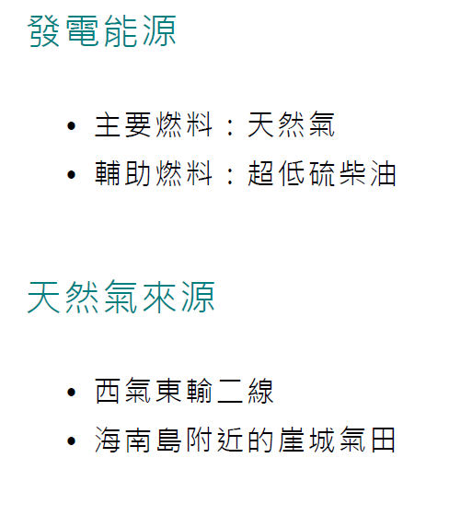
Power Stations
 | 龙鼓滩 Black Point Power Station |  | 2018资产表现数据 2018 Asset Performance Statistics |  |  | 2017资产表现数据 2017 Asset Performance Statistics |  |  |  | Infomation
 | 营运Operation | Unit | 2018 | 2017 | 2016 | 2015 | 2014 | 2013 |  | Gas-fired power station 燃氣電廠 • • • |  |  | Energy Source:
 | 输出电量 Electricity sent out | GWh百万度 | 9304 | 9550 | 9175 | 8899 | 5315 | 5675 |  | 2,525MW (3 x 337.5MW & 5 x 312.5MW) 2,525兆瓦 (3 x 337.5兆瓦 和 5 x 312.5兆瓦)
 | 天然气消耗 Gas consumed | TJ | 72963 | 75747 | 73014 | 71364 | 42433 | 45141 |  | Plant commissioned between 1996 and 2006 電廠於1996年至2006年間分阶段投產
 | 燃油消耗 Oil consumed | TJ | 163 | 76 | 227 | 117 | 148 | 146 |  | Shareholding of 70% with operational control by CLP 中電擁有70%權益及營運控制權(1750MW)
 | 发电效能 Thermal effiiciency | % | 45.8 | 45.3 | 45.1 | 44.8 | 44.9 | 45.1
 | 气体排放Air Emissions | Unit | 2018 | 2017 | 2016 | 2015 | 2014 | 2013
 | CO2 (Scope1)(1) | kT | 3,776 | 3,923 | 3,761 | 3688 | 2295 | 2455
 | CO2 (Scope1) | kT | 3,759 | 3,906 | 3,745 | 3673 | 2285 | 2447 |  | Note:
 | SO2 | kT | 0.08 | 0.08 | 0.05 | 0.05 | 0.07 | 0.08 |  | (1) Scope 2 emissions are included in Scope 1 as electricity consumed was generated within CLP Power Hong Kong's own Organisational
 | NOx | kT | 1.4 | 1.4 | 1.6 | 1.5 | 0.9 | 1.1 |  | boundary.
 | 总颗粒物 Total Particulate | kT | 0.06 | 0.06 | 0.06 | 0.06 | 0.03 | 0.04 |  | 使用的電力在中華電力的設施內生產, 因此範疇二的溫室氣體排放已包括在範疇㇐內。
 | 可吸入悬浮颗粒物 Resipirable Particulate | kT | 0.06 | 0.06 | 0.06 | 0.06 | 0.03 | 0.04 |  | (2) Not applicable to Black Point.
 | 水Water | Unit | 2018 | 2017 | 2016 | 2015 | 2014 | 2013 |  | 不適用於龍鼓灘電廠。
 | Water Withdrawal - Total | Mm3 | 943.9 | 923.7 | 934.9 | 931.2 | 612.5 | 668.3 |  | (3) Wastewater is mainly treated on site and discharged to sea. Data for small amount of wastewater from onsite mobile toilet are not
 | from marine water resources | Mm3 | 943.5 | 923.4 | 934.6 | 930.9 | 612.3 | 668.1 |  | routinely collected.
 | from freshwater resources (2) | Mm3 | --- |  |  |  |  |  |  | 廢水於電廠內處理再排放到海洋。電廠內的流動厠所產生少量廢水，但並無定期收集數據。
 | from municipal sources | Mm3 | 0.4 | 0.3 | 0.3 | 0.3 | 0.2 | 0.3 |  | (4) A portion of the treated wastewater is reused on site but measurement data are not routinely collected.
 | Water Discharged - Total | Mm4 | 943.6 | 923.5 | 934.7 | 931 | 612.4 | 668.2 |  | 部分經處理的廢水在電廠內循環再用，但並無定期收集數據。
 | cooling water discharged to sea | Mm5 | 943.5 | 923.4 | 934.6 | 930.9 | 612.3 | 668.1
 | treated wastewater discharged to sea | Mm6 | 0.1 | 0.1 | 0.1 | 0.1 | 0.1 | 0.1
 | treated wastewater discharged to freshwater bodies (2) | Mm7 | ---
 | wastewater discharged to sewerage (3) | Mm8 | ---
 | Water Reused / Recycled (4) | Mm9 | ---

 | 青山 Castle Peak Power Station |  | 2018资产表现数据 2018 Asset Performance Statistics |  |  | 2017资产表现数据 2017 Asset Performance Statistics |  |  |  | Information
 | 营运Operation | Unit | 2018 | 2017 | 2016 | 2015 | 2014 | 2013 |  | Coal-fired power station 燃煤電廠 •
 | 输出电量 Electricity sent out | GWh百万度 | 13,727 | 13,906 | 15,187 | 15,176 | 20,280 | 19,409 |  | 4,108MW (4 x 350MW, 4 x 677MW) 4,108兆瓦 (4 x 350兆瓦, 4 x 677兆瓦)
 | 煤消耗量 |  | 150,310 | 148,065 | 160,661 | 161,988 | 215,367 | 205,198 |  | Plant commissioned between 1982 and 1990 電廠於1982年至1990年間投產
 | 燃油消耗 Oil consumed | TJ | 2,530 | 3,808 | 3,207 | 2,032 | 1,620 | 1,340 |  | Shareholding of 70% with operational control by CLP 中電擁有70%權益及營運控制
 | 天然气消耗 Gas consumed | TJ | 6 | 59 | 1,545 | 43 | 32 | 2,404
 | 发电效能 Thermal effiiciency | % | 32.3 | 32.9 | 33.1 | 33.3 | 33.6 | 33.4
 | 气体排放Air Emissions | Unit | 2018 | 2017 | 2016 | 2015 | 2014 | 2013
 | CO2 (Scope1)(1) | kT | 13,719 | 13,581 | 14,834 | 14,797 | 19,519 | 18,645
 | CO2 (Scope1) | kT | 13,630 | 13,492 | 14,737 | 14,700 | 19,389 | 18,528
 | SO2 | kT | 4.7 | 4.7 | 5.2 | 4.3 | 13.9 | 11.8
 | NOx | kT | 14.4 | 13.1 | 15.4 | 15.9 | 26 | 24.8
 | 总颗粒物 Total Particulate | kT | 0.5 | 0.5 | 0.5 | 0.5 | 1.2 | 1.1
 | 可吸入悬浮颗粒物 Resipirable Particulate | kT | 0.4 | 0.4 | 0.3 | 0.3 | 0.8 | 0.7
 | 水Water | Unit | 2018 | 2017 | 2016 | 2015 | 2014 | 2013
 | Water Withdrawal - Total | Mm3 | 2,827.20 | 2,632.10 | 2,742.10 | 2,708.30 | 3,203.10 | 3,180.00
 | from marine water resources | Mm3 | 2,822.00 | 2,627.40 | 2,737.40 | 2,703.50 | 3,198.00 | 3,175.50
 | from freshwater resources (2) | Mm3 | --- |  |  | - | - | -
 | from municipal sources | Mm3 | 5.2 | 4.7 | 4.7 | 4.8 | 5.1 | 4.6
 | Water Discharged - Total | Mm4 | 2,823.50 | 2,628.90 | 2,738.80 | 2,704.50 | 3,199.20 | 3,176.60
 | cooling water discharged to sea | Mm5 | 2,822.00 | 2,627.40 | 2,737.40 | 2,703.50 | 3,198.00 | 3,175.50
 | treated wastewater discharged to sea | Mm6 | 1.5 | 1.5 | 1.4 | 1 | 1.2 | 1.1
 | treated wastewater discharged to freshwater bodies (2) | Mm7 | --- |  |  | - | - | -
 | wastewater discharged to sewerage (3) | Mm8 | --- |  |  | - | - | -
 | Water Reused / Recycled (4) | Mm9 | --- |  |  | - | - | -

 | 竹篙湾 Penny's Bay Power Station |  | 2018资产表现数据 2018 Asset Performance Statistics |  |  | 2017资产表现数据 2017 Asset Performance Statistics |  |  |  | Information
 | 营运Operation | Unit | 2018 | 2017 | 2016 | 2015 | 2014 | 2013
 | 输出电量 Electricity sent out | GWh百万度 | 1.1 | 0.5 | 1 | 0.6 | 1 | 0.1 |  | Diesel-fired power station (backup facility providing quick-start support) 柴油電廠 (提供快速啟動支援的後備設施)
 | 燃油消耗 Oil consumed | TJ | 20 | 10 | 18 | 11 | 16 | 5 |  | 300MW (3 x 100MW) 300兆瓦 (3 x 100兆瓦)
 | 发电效能 Thermal effiiciency | % | 20.4 | 18 | 21.1 | 19 | 21.5 | 10.1 |  | Plant commissioned in 1992 電廠於1992年投產
 | 气体排放Air Emissions | Unit | 2018 | 2017 | 2016 | 2015 | 2014 | 2013 |  | Shareholding of 70% with operational control by CLP 中電擁有70%權益及營運控制權
 | CO2 (Scope1)(1) | kT | 1.5 | 0.9 | 1.3 | 1.7 | 1.6 | 0.3
 | CO2 (Scope1) | kT | 1.4 | 0.8 | 1.2 | 0.8 | 1.1 | 0.3
 | SO2 | kT | 0.000008 | 0.000004 | 0.000005 | 0.000004 | 0.000008 | 0.000002
 | NOx | kT | 0.0021 | 0.001 | 0.0018 | 0.0012 | 0.0017 | 0.0005
 | 总颗粒物 Total Particulate | kT | 0.00004 | 0.00002 | 0.00003 | 0.00002 | 0.00003 | 0.00001
 | 可吸入悬浮颗粒物 Resipirable Particulate | kT | 0.00004 | 0.00002 | 0.00003 | 0.00002 | 0.00003 | 0.00001
 | 水Water | Unit | 2018 | 2017 | 2016 | 2015 | 2014 | 2013
 | Water Withdrawal - Total | Mm3 | 0.0006 | 0.0005 | 0.0006 | 0.0007 | 0.0008 | 0.0007
 | from marine water resources | Mm3 | --- |  |  | - | - | -
 | from freshwater resources (2) | Mm3 | 0 | 0 | 0.0001 | - | - | -
 | from municipal sources | Mm3 | 0.0006 | 0.0005 | 0.0005 | 0.0007 | 0.0008 | 0.0007
 | Water Discharged - Total | Mm4 | 0 | 0 | 0 | 0 | 0 | 0
 | treated wastewater discharged to sea | Mm6 | 0 | 0 | 0 | 0 | 0 | 0
 | treated wastewater discharged to freshwater bodies (2) | Mm7 | - | - | - | - | - | -
 | wastewater discharged to sewerage (3) | Mm8 | - | - | - | - | - | -
 | Water Reused / Recycled (4) | Mm9 | 0 | 0 | 0 | 0 | 0 | 0

Transmission & Distribution Network
 | 输电配电系统Transmission & Distribution Network |  | 2018资产表现数据 2018 Asset Performance Statistics |  |  | 2017资产表现数据 2017 Asset Performance Statistics |  |  |  | Information
 | 营运Operation | Unit | 2018 | 2017 | 2016 | 2015 | 2014 | 2013 |  | Transmission and distribution system 輸電及供電網絡
 | 輸電及供電流失Transmission & distribution loss | GWh百万度 | 1262 | 1321 | 1365 | 1411 | 1467 | 1351 |  | Over 15,862 kilometres of transmission and high voltage distribution lines 輸供電高壓線路總⾧度超過15,682公里
 | 輸電及供電流失Transmission & distribution loss | % | 3.60% | 3.80% | 3.90% | 4.10% | 4.30% | 4.10% |  | 232 primary substations and 14,685 secondary substations 232個總變電站及14,685個副變電站
 | 營運地點耗電量Electricity used onsite | GWh百万度 | 17 | 18 | 18 | 19 | 20 | 20 |  | Wholly owned and operated by CLP 中電全資擁有及營運
 | 汽油消耗量Petrol consumed | TJ | 1032 | 1059 | 1068 | 1,045 | 1,086 | 1,076
 | 柴油消耗量Diesel consumed | % | 262 | 262 | 224 | 293 | 386 | 239
 | 气体排放Air Emissions | Unit |  |  |  |  |  |  |  |  | 中电资料库
 | CO2 (Scope1)(1) | kT | 42 | 37 | 31 | 33 | 43 | 47
 | CO2 (Scope1) | kT | 3 | 3 | 3 | 3 | 4 | 3
 | SF6 | kT | 37 | 28 | 27 | 29 | 36 | 42
 | 水Water | Unit
 | Water Withdrawal - Total | Mm3 | 0.05 | 0.05 | 0.05 | 0.06 | 0.05 | 0.06
 | from marine water resources | Mm3 | --- |  |  | - | - | -
 | from freshwater resources | Mm3 | 0 | 0 | 0 | 0 | 0 | 0
 | from municipal sources | Mm3 | 0.05 | 0.05 | 0.05 | 0.06 | 0.05 | 0.06
 | Water Discharged - Total | Mm4 | 0.001 | 0.001 | 0.004 | 0.003 | 0.003 | 0.003
 | treated wastewater discharged to sea | Mm6 | 0.001 | 0.001 | 0.004 | 0.003 | 0.003 | 0.003
 | treated wastewater discharged to freshwater bodies (2) | Mm7 | ---
 | wastewater discharged to sewerage (3) | Mm8 | ---
 | Water Reused / Recycled | Mm9 | ---

 | 2016 Sustainable development report.pdf

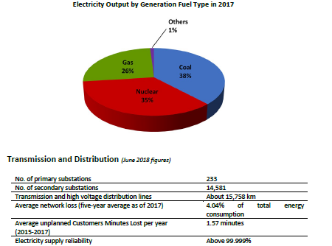
 | ​CLP's Response to the Future Fuel Mix for Electricity Generation Public Consultation Paper-2014 |  |  |  |  |  |  |  | CLP-Information-Kit
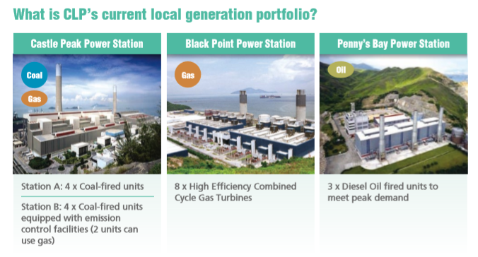
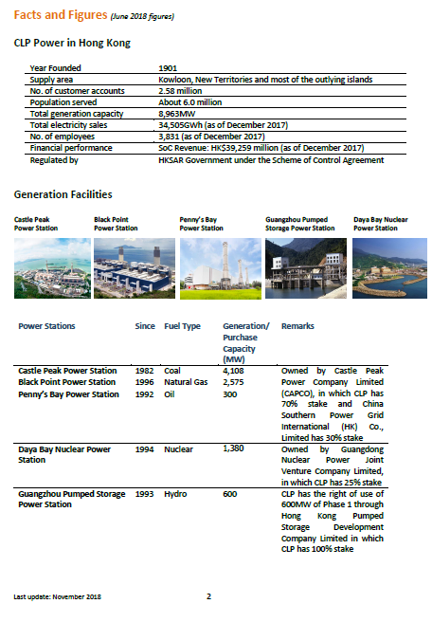

 | CLP's Current Assets .pdf

HKE Asset
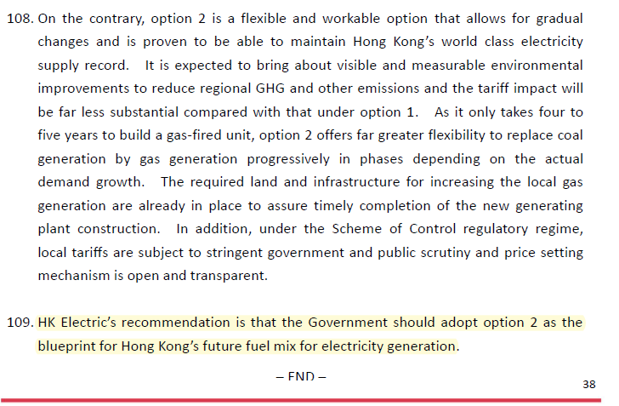
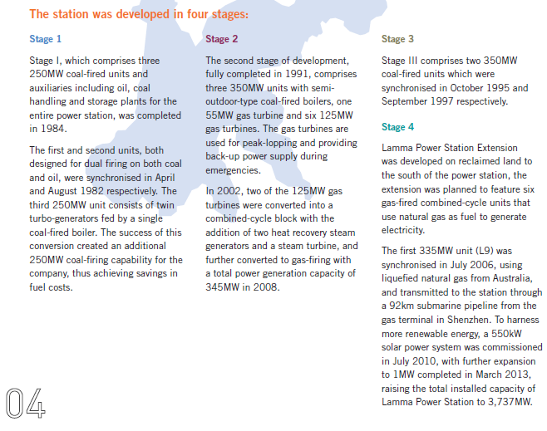
Asset Information of HKE-HKE's Power Stations |  |  |  |  |  |  | Source
 |  |  |  |  |  |  | 南丫发电厂.pdf | 2014 | 港灯企业资讯2017-18.pdf
1. Operating | Station | Generator | Capacity (MW) | In-produce Year | Lifetime | Note
 | Lamma Power Station(南丫发电厂)
 | Coal&Oil |  | 2805
 |  | Coal-First 3 generators | 500 | 1984 |  | (=3*250MW). One has retired between 2014 and 2017.
 |  | Coal-Following | 1050 | 1991 |  | (=3*350MW)
 |  | Coal-Following | 350 | 1995
 |  | Coal-Following | 350 | 1997
 |  | Oil-fired gas turbine units(Gas turbines and standby units) | 555 | 1991 |  | (=4*125MW+1*55MW)
 | Gas |  | 680
 |  | Gas-fired combined cycle-Unit1 | 335 | 2006 |  | The 4th stage allows 6 new-built gas generator. This is the first one, into operation in July 2016.
 |  | Gas-fired combined cycle-Unit1 | 345 | 2002 |  | Converted to gas generator from two oil-fired ones in 2008. Became the 2nd main loaded gas combined cycle generator. Increase the gas generation to >30% in the fuel mix.
 | RE |  | 1.8
 |  | Solar PV | 0.55 | 2006 |  | Generate 1.1 Mil. kWh each year(by prediction) with 915kT CO2 reduced.
 |  | Solar PV-expansion | 0.45 | 2013 |  | The same solar PV station has been expanded to 1MW in 2013.
 |  | Wind Power | 0.8 | 2006.2 |  | Generatting 1Mil. kWh each year.
 | Sum | Sum-2014 | 3737
 |  | Sum-2017 | 3487 |  |  | The remaining would gradually retire and
 |  | delta(2017-2014) | 250 |  |  | be replaced by gas generators before 2030 (L2 is scheduled to retire by 2022).
 | Gas Ratio
 |  | From 2017 Sustainability Report | 34% |  |  | (2017SR: currently the number is ~34%）
 |  | Calculation | 0.35417264124 |  |  | The Oil-fired gas turbine units is also considered.
2. In Construction | Station | Generator | Capacity (MW) | In-produce Year | Lifetime | Note | 港灯企业资讯2017-18.pdf
 |  | L10-Gas | 350 | 2020 |  | After it begins to operate, the gas-fired generation ratio will be increased to about 50% of HKE's total power generation. | 港灯企业资讯2017-18.pdf
 |  | L11-Gas | 350 | 2022 |  | After it begins to operate, the gas-fired generation ratio will be increased to about 55%
3. Approved | Station | Generator | Capacity (MW) | In-produce Year | Lifetime | Note
 |  | L12-Gas | 350 | 2023 |  | After it begins to operate, the gas-fired generation ratio will be increased to about 70% | 港灯企业资讯2017-18.pdf

4. Plans
 | HKE thinks it's better to develop gas generation.

MSD
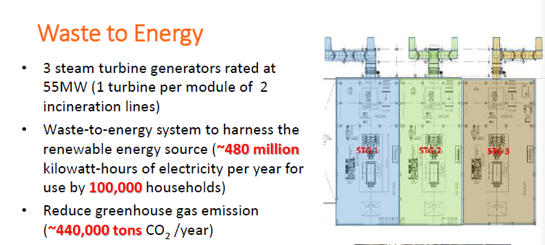
a new MSD power plant is under construction and will be completed in 2024
it can treat 3000 tonnes MSW per day and can geenrate 0.48 billion KWh annually

source: HK blueprint for sustainable use of resources 2013-2022

